Query
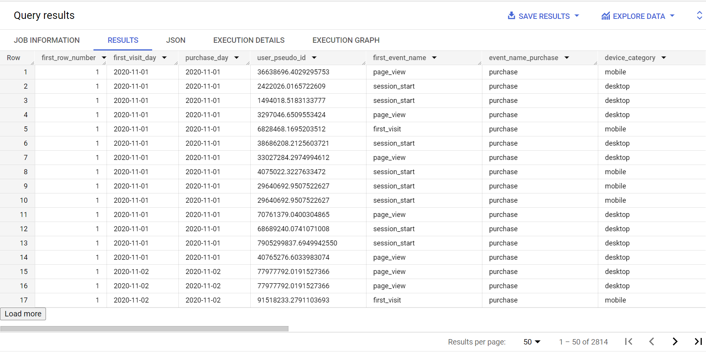
WITH
CTE_First_Visit AS (
SELECT
*
FROM (
SELECT
user_pseudo_id AS user_pseudo_id,
category AS device_category,
operating_system AS operating_system,
country AS country,
browser AS browser,
event_timestamp AS event_timestamp,
LANGUAGE AS LANGUAGE,
ROW_NUMBER () OVER(PARTITION BY user_pseudo_id ORDER BY event_timestamp) AS first_row_number,
MIN (CAST (DATE_TRUNC(TIMESTAMP_MICROS(event_timestamp),DAY) AS DATE)) AS first_visit_day,
MIN (TIMESTAMP_MICROS(event_timestamp)) AS min_timestamp_first_visit,
COUNT(1) AS count_page_view,
event_name AS event_name,
EXTRACT(HOUR
FROM (MIN (TIMESTAMP_MICROS(event_timestamp)))) AS first_visit_hour,
EXTRACT(MINUTE
FROM (MIN (TIMESTAMP_MICROS(event_timestamp)))) AS first_visit_minute,
FROM
`tc-da-1.turing_data_analytics.raw_events` AS raw_events
GROUP BY
user_pseudo_id,
device_category,
event_name,
event_timestamp,
operating_system,
country,
browser,
LANGUAGE,
purchase_revenue_in_usd
ORDER BY
first_visit_day)
WHERE
first_row_number = 1),
CTE_purchases AS (
SELECT
user_pseudo_id AS user_pseudo_id,
MIN (CAST (DATE_TRUNC(TIMESTAMP_MICROS(event_timestamp),DAY) AS DATE)) AS purchase_day,
MIN (TIMESTAMP_MICROS(event_timestamp)) AS min_timestamp_purchase,
COUNT(1) AS count_purchases,
event_name AS event_name_purchase,
event_timestamp AS purchase_event_timestamp,
purchase_revenue_in_usd AS purchase_revenue_in_usd
FROM
`tc-da-1.turing_data_analytics.raw_events` AS raw_events
WHERE
event_name = 'purchase'
GROUP BY
user_pseudo_id,
event_name_purchase,
purchase_event_timestamp,
purchase_revenue_in_usd
ORDER BY
purchase_day)
SELECT
CTE_First_Visit.first_row_number AS first_row_number,
first_visit_day AS first_visit_day,
purchase_day AS purchase_day,
CTE_First_Visit.user_pseudo_id AS user_pseudo_id,
CTE_First_Visit.event_name AS first_event_name,
CTE_purchases.event_name_purchase AS event_name_purchase,
CTE_First_Visit.device_category AS device_category,
CTE_First_Visit.operating_system AS operating_system,
CTE_First_Visit.country AS country,
CTE_First_Visit.browser AS browser,
CTE_First_Visit.language AS LANGUAGE,
CTE_purchases.purchase_revenue_in_usd AS purchase_revenue_in_usd,
TIMESTAMP_DIFF(CTE_purchases.min_timestamp_purchase, CTE_First_Visit.min_timestamp_first_visit, SECOND) AS duration_in_seconds,
TIMESTAMP_DIFF(CTE_purchases.min_timestamp_purchase, CTE_First_Visit.min_timestamp_first_visit, MINUTE) AS duration_in_minutes,
TIMESTAMP_DIFF(CTE_purchases.min_timestamp_purchase, CTE_First_Visit.min_timestamp_first_visit, HOUR) AS duration_in_hours,
CONCAT ((MIN (CTE_First_Visit.first_visit_hour)), ':', '00') AS first_visit_hour,
EXTRACT(TIME
FROM (MIN (TIMESTAMP_MICROS(CTE_First_Visit.event_timestamp)))) AS first_visit_full_time,
EXTRACT(TIME
FROM (MIN (TIMESTAMP_MICROS(CTE_purchases.purchase_event_timestamp)))) AS purchase_full_time
FROM
CTE_First_Visit
INNER JOIN
CTE_purchases
ON
CTE_First_Visit.user_pseudo_id = CTE_purchases.user_pseudo_id
AND CTE_First_Visit.first_visit_day = CTE_purchases.purchase_day
WHERE
TIMESTAMP_DIFF(CTE_purchases.min_timestamp_purchase, CTE_First_Visit.min_timestamp_first_visit, SECOND) > 0
GROUP BY
first_row_number,
first_visit_day,
purchase_day,
user_pseudo_id,
event_name,
event_name_purchase,
device_category,
operating_system,
country,
browser,
LANGUAGE,
duration_in_seconds,
duration_in_minutes,
duration_in_hours,
first_visit_minute,
purchase_revenue_in_usd
ORDER BY
first_visit_day,
first_visit_full_time,
purchase_full_time

